Block 1
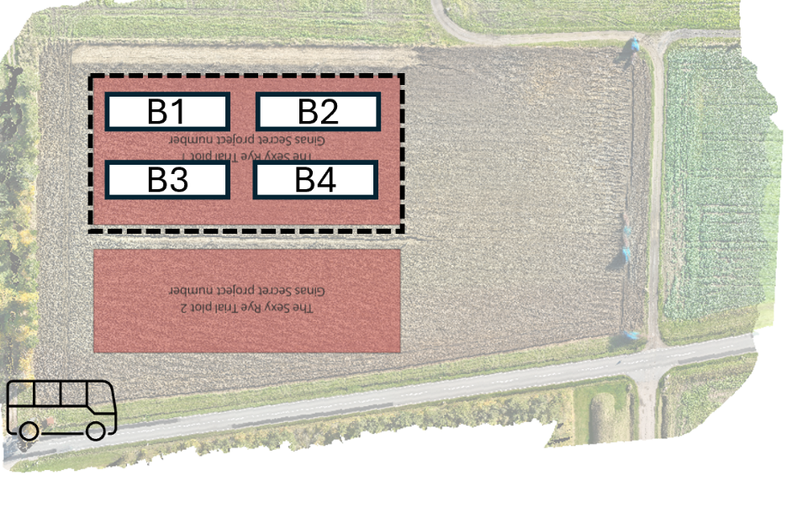
Sexy Rye Trial

North
What:
When:
Collected by:
Notes:

Block | Plot | Treatment | Plot side | Data | Notes
1 | 101 | P | north
 |  |  | south
 | 102 | xAProws | north
 |  |  | south
 | 103 | Pcc | north
 |  |  | south
 | 104 | xA | north
 |  |  | south
 | 105 | A | north
 |  |  | south
 | 106 | AProws | north
 |  |  | south
 | 107 | xAcc | north
 |  |  | south
 | 108 | xAPmix | north
 |  |  | south
 | 109 | APmix | north
 |  |  | south
 | 110 | Acc | north
 |  |  | south
 | 111 | xP | north
 |  |  | south
 | 112 | xPcc | north
 |  |  | south

Block 2

Sexy Rye Trial

North
What:
When:
Collected by:
Notes:

Block | Plot | Treatment | Plot side | Data | Notes
2 | 201 | APmix | north
 |  |  | south
 | 202 | APmix | north
 |  |  | south
 | 203 | xAProws | north
 |  |  | south
 | 204 | xAcc | north
 |  |  | south
 | 205 | P | north
 |  |  | south
 | 206 | xAPmix | north
 |  |  | south
 | 207 | xP | north
 |  |  | south
 | 208 | Acc | north
 |  |  | south
 | 209 | P | north
 |  |  | south
 | 210 | xPcc | north
 |  |  | south
 | 211 | xA | north
 |  |  | south
 | 212 | AProws | north
 |  |  | south

Block 3
Sexy Rye Trial

North
What:
When:
Collected by:
Notes:

Block | Plot | Treatment | Plot side | Data | Notes
3 | 301 | Aprows | north
 |  |  | south
 | 302 | Acc | north
 |  |  | south
 | 303 | xP | north
 |  |  | south
 | 304 | xPcc | north
 |  |  | south
 | 305 | Pcc | north
 |  |  | south
 | 306 | xA | north
 |  |  | south
 | 307 | A | north
 |  |  | south
 | 308 | xAPmix | north
 |  |  | south
 | 309 | xAcc | north
 |  |  | south
 | 310 | Apmix | north
 |  |  | south
 | 311 | Pcc | north
 |  |  | south
 | 312 | xAProws | north
 |  |  | south

Block 4
Sexy Rye Trial |  |  | Last updated 25 Nov 2024

North
What:
When:
Collected by:
Notes:

Block | Plot | Treatment | Plot side | Data | Notes
4 | 401 | xAProws | north
 |  |  | south
 | 402 | Apmix | north
 |  |  | south
 | 403 | xAcc | north
 |  |  | south
 | 404 | Acc | north
 |  |  | south
 | 405 | P | north
 |  |  | south
 | 406 | xPcc | north
 |  |  | south
 | 407 | xA | north
 |  |  | south
 | 408 | Pcc | north
 |  |  | south
 | 409 | xPcc | north
 |  |  | south
 | 410 | AProws | north
 |  |  | south
 | 411 | xAPmix | north
 |  |  | south
 | 412 | A | north
 |  |  | south

